Sales Dashboard - Sample
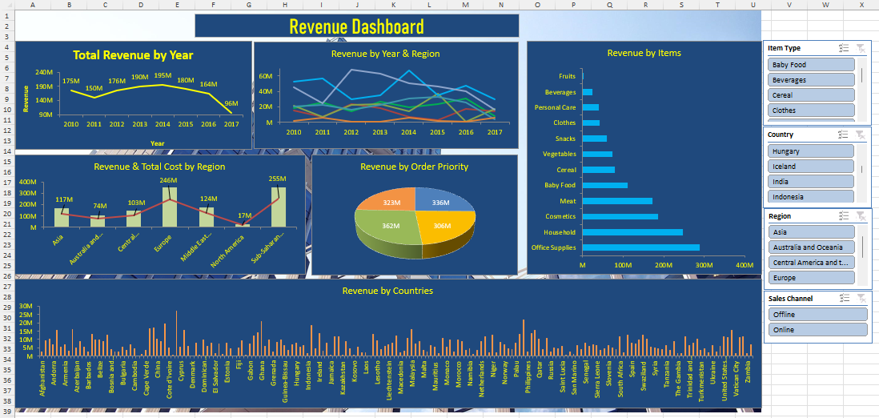

Sales Dashboard

Revenew dashboard

Total revenue by year
 | Total
2010 | 175462207.87
2011 | 149927966.63
2012 | 176391398.06
2013 | 189797329.77
2014 | 195075782.43
2015 | 180487661.51
2016 | 164122431.74
2017 | 96057062.32
revenue by year and region
 | Asia | Australia and Oceania | Central America and the Caribbean | Europe | Middle East and North Africa | North America | Sub-Saharan Africa
2010 | 18740403.2 | 14999400.19 | 21104163.21 | 52754246.76 | 20198851.21 | 1944268.37 | 45720874.93
2011 | 26193645.54 | 7547769.96 | 6755623.73 | 56843358.34 | 22191752.61 | 5535901.06 | 24859915.39
2012 | 14308206.15 | 23621757.6 | 22515322.42 | 29705424.84 | 16666374.56 | 971450.33 | 68602862.16
2013 | 26465090.9 | 18144258.09 | 23879975.89 | 34942006.64 | 22116267.06 | 1150128.79 | 63099602.4
2014 | 19721355.33 | 6565213.21 | 14351185.71 | 66825834.56 | 31001609.58 | 6371202.5 | 50239381.54
2015 | 23128824.66 | 2766414.88 | 37257134.13 | 34848395.6 | 33466110.67 | 2205758.8 | 46815022.77
2016 | 31145505.35 | 17351559.2 | 960699.76 | 47674540.78 | 25624200.73 | 761150.22 | 40604775.7
2017 | 7971778.36 | 14693199.47 | 17173505.66 | 29573655.41 | 3841369.32 | 6021738.87 | 16781815.23
revenue by items
 | Total
Office Supplies | 289451123.22
Household | 247922823.84
Cosmetics | 186278678.4
Meat | 172095259.35
Baby Food | 111459843.04
Cereal | 79759969.3
Vegetables | 72604780.56
Snacks | 60291071.52
Clothes | 41306310.08
Personal Care | 38880922.52
Beverages | 23957742.25
Fruits | 3313316.25

revenue & total cost by region
 | Sum of Total Revenue | Sum of Total Cost
Asia | 167674809.49 | 116875410.39
Australia and Oceania | 105689572.6 | 73811151.87
Central America and the Caribbean | 143997610.51 | 102660832.3
Europe | 353167462.93 | 246395494.48
Middle East and North Africa | 175106535.74 | 124049542.4
North America | 24961598.94 | 17253539.67
Sub-Saharan Africa | 356724250.12 | 255073257.66
revenue by order priority
 | Total
C | 335761811.56
H | 306473892.21
L | 361795759.01
M | 323290377.55

revenue by countries
 | Total
Afghanistan | 2843589.07
Albania | 9709899.27
Algeria | 10272591.44
Andorra | 7153122.97
Angola | 15643032.02
Antigua and Barbuda | 5650520.67
Armenia | 7139689.51
Australia | 3215330.16
Austria | 16199378.41
Azerbaijan | 5308405.46
Bahrain | 9022805.73
Bangladesh | 5811989.16
Barbados | 2803550.1
Belarus | 13482813.12
Belgium | 9959553.53
Belize | 9839301.81
Benin | 9039257.06
Bhutan | 12986378.17
Bosnia and Herzegovina | 4359359.83
Botswana | 2758990.99
Brunei | 2702495.89
Bulgaria | 5430330.56
Burkina Faso | 3779357.44
Burundi | 7032758.55
Cambodia | 4642313.7
Cameroon | 95209.92
Canada | 1226103.3
Cape Verde | 3629118.65
Central African Republic | 16591036.85
Chad | 17278040.69
China | 10272536.76
Comoros | 8999886.92
Costa Rica | 19628279.63
Cote d'Ivoire | 5121515.92
Croatia | 941892.69
Cuba | 27522085.87
Cyprus | 5502527.89
Czech Republic | 15603240.11
Democratic Republic of the Congo | 5999548.38
Denmark | 260832.65
Djibouti | 7896155.06
Dominica | 882189.76
Dominican Republic | 10068140.14
East Timor | 6286071.32
Egypt | 8143736.89
El Salvador | 1686991.53
Equatorial Guinea | 7753130.1
Eritrea | 1474455.62
Estonia | 7873109.81
Ethiopia | 4632012.47
...

revenue by order pr
Row Labels | Sum of Total Revenue
C | 335761811.56
H | 306473892.21
L | 361795759.01
revenue by order priority
M | 323290377.55

revenue by items
revenue by items
Row Labels | Sum of Total Revenue
Office Supplies | 289451123.22
Household | 247922823.84
Cosmetics | 186278678.4
Meat | 172095259.35
Baby Food | 111459843.04
Cereal | 79759969.3
Vegetables | 72604780.56
Snacks | 60291071.52
Clothes | 41306310.08
Personal Care | 38880922.52
Beverages | 23957742.25
Fruits | 3313316.25

revenue by countries
revenue by countries
Row Labels | Sum of Total Revenue
Afghanistan | 2843589.07
Albania | 9709899.27
Algeria | 10272591.44
Andorra | 7153122.97
Angola | 15643032.02
Antigua and Barbuda | 5650520.67
Armenia | 7139689.51
Australia | 3215330.16
Austria | 16199378.41
Azerbaijan | 5308405.46
Bahrain | 9022805.73
Bangladesh | 5811989.16
Barbados | 2803550.1
Belarus | 13482813.12
Belgium | 9959553.53
Belize | 9839301.81
Benin | 9039257.06
Bhutan | 12986378.17
Bosnia and Herzegovina | 4359359.83
Botswana | 2758990.99
Brunei | 2702495.89
Bulgaria | 5430330.56
Burkina Faso | 3779357.44
Burundi | 7032758.55
Cambodia | 4642313.7
Cameroon | 95209.92
Canada | 1226103.3
Cape Verde | 3629118.65
Central African Republic | 16591036.85
Chad | 17278040.69
China | 10272536.76
Comoros | 8999886.92
Costa Rica | 19628279.63
Cote d'Ivoire | 5121515.92
Croatia | 941892.69
Cuba | 27522085.87
Cyprus | 5502527.89
Czech Republic | 15603240.11
Democratic Republic of the Congo | 5999548.38
Denmark | 260832.65
Djibouti | 7896155.06
Dominica | 882189.76
Dominican Republic | 10068140.14
East Timor | 6286071.32
Egypt | 8143736.89
El Salvador | 1686991.53
Equatorial Guinea | 7753130.1
Eritrea | 1474455.62
Estonia | 7873109.81
Ethiopia | 4632012.47
Federated States of Micronesia | 471158.71
Fiji | 4992255.6
Finland | 9668457.12
France | 1009016.03
Gabon | 7350658.56
Georgia | 12197986.98
Germany | 14150892.19
Ghana | 21267908.5
Greece | 5965376.9
Greenland | 9953334.49
Grenada | 2963196.96
Guatemala | 8701213.81
Guinea | 9896306.25
Guinea-Bissau | 6512548.69
Haiti | 3472696.83
Honduras | 7299060.35
Hungary | 8275573.91
Iceland | 5783631.18
India | 6767869.55
Indonesia | 1972317.35
Iran | 18719532.99
Iraq | 4781813.25
Ireland | 14070575.29
Israel | 3265587.15
Italy | 8042108.55
Jamaica | 781659.17
Japan | 11883719.65
Jordan | 11956362.24
Kazakhstan | 715717.14
Kenya | 9138321.08
Kiribati | 4744159.33
Kosovo | 956534.16
Kuwait | 5724038.66
Kyrgyzstan | 2132326.52
Laos | 2226896.6
Latvia | 566096.65
Lebanon | 13356289.44
Lesotho | 9349544.03
Liberia | 4401652.94
Libya | 6100113.66
Liechtenstein | 7184947.83
Lithuania | 7830091.32
Luxembourg | 12231206.91
Macedonia | 2478469.5
Madagascar | 3061002.8
Malawi | 10722230.08
Malaysia | 16416989.18
Maldives | 7639004.44
Mali | 9088046.78
Malta | 3731064.8
Marshall Islands | 2525007.5
Mauritania | 6825381.02
Mauritius | 5649551.29
Mexico | 1854866.4
Moldova | 10971921.52
Monaco | 5541658.84
Mongolia | 10143794.91
Montenegro | 2856171.02
Morocco | 9937837.48
Mozambique | 9093023.98
Myanmar | 3596431.85
Namibia | 4790409.36
Nauru | 1225622.72
Nepal | 3838301.28
Netherlands | 8988630.52
New Zealand | 11723675.56
Nicaragua | 2159493.83
Niger | 12738142.62
Nigeria | 2053657.99
North Korea | 8665953.92
Norway | 6919276.23
Oman | 4702742.25
Pakistan | 4396334.96
Palau | 7935532.95
Panama | 13126867.8
Papua New Guinea | 22209652.47
Philippines | 2511823.08
Poland | 13607288.51
Portugal | 15884378.55
Qatar | 10303688.34
Republic of the Congo | 4243168.94
Romania | 10877716.39
Russia | 2965463.22
Rwanda | 4984069.19
Saint Kitts and Nevis | 4783484.52
Saint Lucia | 6358448.6
Saint Vincent and the Grenadines | 943721.7
Samoa | 2625265.85
San Marino | 1412469.13
Sao Tome and Principe | 6662225.65
Saudi Arabia | 4083970.71
Senegal | 8204766.32
Serbia | 5895768.83
Seychelles | 6980875.62
Sierra Leone | 6793129.51
Singapore | 3894250.85
Slovakia | 4503076.26
Slovenia | 6768172.96
Solomon Islands | 5148883.07
Somalia | 4375138.01
South Africa | 11920602.36
South Korea | 2042242.7
South Sudan | 12890088.98
Spain | 8288153.29
Sri Lanka | 7331133.92
Sudan | 9824498.98
Swaziland | 12845719.41
Sweden | 10324874.87
Switzerland | 5483183.15
Syria | 5345650.85
Taiwan | 4504146.65
Tajikistan | 4340537.42
Tanzania | 6794687.03
Thailand | 3619609.81
The Bahamas | 8824492.76
The Gambia | 1898327.32
Togo | 1734332.62
Tonga | 11821702
Trinidad and Tobago | 6502214.67
Tunisia | 7835941.77
Turkey | 10225728.21
Turkmenistan | 3715458.72
Tuvalu | 4753453.52
Uganda | 2402771.36
Ukraine | 6640695.22
United Arab Emirates | 2591172.23
United Kingdom | 5905405.47
United States of America | 11927294.75
Uzbekistan | 11632538.02
Vanuatu | 16011801.84
Vatican City | 1575379.28
Vietnam | 11668032.25
Yemen | 11813464.95
Zambia | 1954116.2
Zimbabwe | 6928978.02

revenue by year and region
Sum of Total Revenue | Column Labels
Row Labels | Asia | Australia and Oceania | Central America and the Caribbean | Europe | Middle East and North Africa | North America | Sub-Saharan Africa
2010 | 18740403.2 | 14999400.19 | 21104163.21 | 52754246.76 | 20198851.21 | 1944268.37 | 45720874.93
2011 | 26193645.54 | 7547769.96 | 6755623.73 | 56843358.34 | 22191752.61 | 5535901.06 | 24859915.39
2012 | 14308206.15 | 23621757.6 | 22515322.42 | 29705424.84 | 16666374.56 | 971450.33 | 68602862.16
2013 | 26465090.9 | 18144258.09 | 23879975.89 | 34942006.64 | 22116267.06 | 1150128.79 | 63099602.4
2014 | 19721355.33 | 6565213.21 | 14351185.71 | 66825834.56 | 31001609.58 | 6371202.5 | 50239381.54
2015 | 23128824.66 | 2766414.88 | 37257134.13 | 34848395.6 | 33466110.67 | 2205758.8 | 46815022.77
2016 | 31145505.35 | 17351559.2 | 960699.76 | 47674540.78 | 25624200.73 | 761150.22 | 40604775.7
2017 | 7971778.36 | 14693199.47 | 17173505.66 | 29573655.41 | 3841369.32 | 6021738.87 | 16781815.23
revenue by year and region

total revenue by year
Row Labels | Sum of Total Revenue
2010 | 175462207.87
2011 | 149927966.63
Total revenue by year
2012 | 176391398.06
2013 | 189797329.77
2014 | 195075782.43
2015 | 180487661.51
2016 | 164122431.74
2017 | 96057062.32

revenue and total cost by reg
Row Labels | Sum of Total Cost | Sum of Total Revenue
Asia | 116875410.39 | 167674809.49
Australia and Oceania | 73811151.87 | 105689572.6
Central America and the Caribbean | 102660832.3 | 143997610.51
Europe | 246395494.48 | 353167462.93
Middle East and North Africa | 124049542.4 | 175106535.74
North America | 17253539.67 | 24961598.94
Sub-Saharan Africa | 255073257.66 | 356724250.12
revenue & total cost by region

Profit Dashboard - Sample
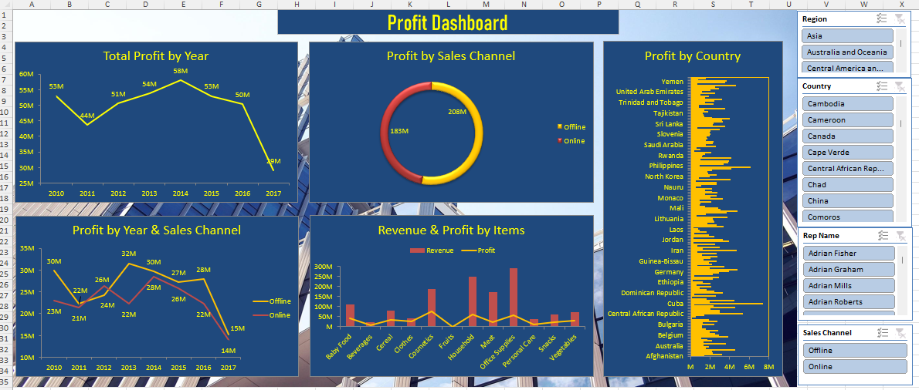

Profit Dashboard
Profit Dashboard

profit by year
 | Total
2010 | 52929570.3
2011 | 43634278.43
2012 | 50500113.85
2013 | 53775795.83
2014 | 58053499.2
2015 | 52924833.56
2016 | 50272789.24
2017 | 29111731.15
profit by sales chennel
 | Total
Offline | 207887276.63
Online | 183315334.93
profit by country
 | Total
Afghanistan | 1365407.1
Albania | 3143068.34
Algeria | 2235989.24
Andorra | 2143268.87
Angola | 4541144.42
Antigua and Barbuda | 1553579.58
Armenia | 1827634.7
Australia | 1305135.72
Austria | 3560441.46
Azerbaijan | 1249740.83
Bahrain | 2144238.75
Bangladesh | 1683117.72
Barbados | 1060665.34
Belarus | 3801279.29
Belgium | 2874544.46
Belize | 2508863.23
Benin | 1952198.49
Bhutan | 2788442.15
Bosnia and Herzegovina | 1503733.9
Botswana | 1122371.61
Brunei | 1099876.6
Bulgaria | 2381131.84
Burkina Faso | 1236888.31
Burundi | 2713439.3
Cambodia | 1872425.43
Cameroon | 34407.36
Canada | 493905.77
Cape Verde | 1395524.45
Central African Republic | 5338519.48
Chad | 2947612.68
China | 2971471.99
Comoros | 2004330.78
Costa Rica | 4479503
Cote d'Ivoire | 2300104.18
Croatia | 337729.62
Cuba | 7351820.83
Cyprus | 1923118.83
Czech Republic | 4449412.25
Democratic Republic of the Congo | 1626902.92
Denmark | 86083.02
Djibouti | 2551054.32
Dominica | 349412.83
Dominican Republic | 3241575.47
East Timor | 2426794.88
Egypt | 1629774.33
El Salvador | 886527
Equatorial Guinea | 2114164
Eritrea | 589772.52
Estonia | 1976235.35
Ethiopia | 1201089.03
...

profit by year and sales chennel
 | Offline | Online
2010 | 29932654.67 | 22996915.63
2011 | 22277450.21 | 21356828.22
2012 | 24182076.6 | 26318037.25
2013 | 31551520.25 | 22224275.58
2014 | 29635938.7 | 28417560.5
2015 | 27191326.1 | 25733507.46
2016 | 27940960.67 | 22331828.57
2017 | 15175349.43 | 13936381.72
revenue & profit by items
 | Revenue | Profit
Baby Food | 111459843.04 | 41854201.48
Beverages | 23957742.25 | 7906812.3
Cereal | 79759969.3 | 34350683.91
Clothes | 41306310.08 | 27759291.84
Cosmetics | 186278678.4 | 74081138.64
Fruits | 3313316.25 | 855851.25
Household | 247922823.84 | 61484504.16
Meat | 172095259.35 | 23332738
Office Supplies | 289451123.22 | 56115852.5
Personal Care | 38880922.52 | 11921643.44
Snacks | 60291071.52 | 21788240.16
Vegetables | 72604780.56 | 29751653.88

profit by year and sales chenne
Sum of Total Profit | Column Labels
Row Labels | Offline | Online
2010 | 29932654.67 | 22996915.63
2011 | 22277450.21 | 21356828.22
profit by year and sales chennel
2012 | 24182076.6 | 26318037.25
2013 | 31551520.25 | 22224275.58
2014 | 29635938.7 | 28417560.5
2015 | 27191326.1 | 25733507.46
2016 | 27940960.67 | 22331828.57
2017 | 15175349.43 | 13936381.72

profit by sales chennel
Row Labels | Sum of Total Profit
Offline | 207887276.63
Online | 183315334.93
profit by sales chennel

profit by year
profit by year
Row Labels | Sum of Total Profit
2010 | 52929570.3
2011 | 43634278.43
2012 | 50500113.85
2013 | 53775795.83
2014 | 58053499.2
2015 | 52924833.56
2016 | 50272789.24
2017 | 29111731.15

revenue and prof by item
revenue & profit by items
Row Labels | Profit | Revenue
Baby Food | 41854201.48 | 111459843.04
Beverages | 7906812.3 | 23957742.25
Cereal | 34350683.91 | 79759969.3
Clothes | 27759291.84 | 41306310.08
Cosmetics | 74081138.64 | 186278678.4
Fruits | 855851.25 | 3313316.25
Household | 61484504.16 | 247922823.84
Meat | 23332738 | 172095259.35
Office Supplies | 56115852.5 | 289451123.22
Personal Care | 11921643.44 | 38880922.52
Snacks | 21788240.16 | 60291071.52
Vegetables | 29751653.88 | 72604780.56

profit by country
profit by country
Row Labels | Sum of Total Profit
Afghanistan | 1365407.1
Albania | 3143068.34
Algeria | 2235989.24
Andorra | 2143268.87
Angola | 4541144.42
Antigua and Barbuda | 1553579.58
Armenia | 1827634.7
Australia | 1305135.72
Austria | 3560441.46
Azerbaijan | 1249740.83
Bahrain | 2144238.75
Bangladesh | 1683117.72
Barbados | 1060665.34
Belarus | 3801279.29
Belgium | 2874544.46
Belize | 2508863.23
Benin | 1952198.49
Bhutan | 2788442.15
Bosnia and Herzegovina | 1503733.9
Botswana | 1122371.61
Brunei | 1099876.6
Bulgaria | 2381131.84
Burkina Faso | 1236888.31
Burundi | 2713439.3
Cambodia | 1872425.43
Cameroon | 34407.36
Canada | 493905.77
Cape Verde | 1395524.45
Central African Republic | 5338519.48
Chad | 2947612.68
China | 2971471.99
Comoros | 2004330.78
Costa Rica | 4479503
Cote d'Ivoire | 2300104.18
Croatia | 337729.62
Cuba | 7351820.83
Cyprus | 1923118.83
Czech Republic | 4449412.25
Democratic Republic of the Congo | 1626902.92
Denmark | 86083.02
Djibouti | 2551054.32
Dominica | 349412.83
Dominican Republic | 3241575.47
East Timor | 2426794.88
Egypt | 1629774.33
El Salvador | 886527
Equatorial Guinea | 2114164
Eritrea | 589772.52
Estonia | 1976235.35
Ethiopia | 1201089.03
Federated States of Micronesia | 147867.28
Fiji | 2234745.05
Finland | 2826301.67
France | 368102.6
Gabon | 2230754.26
Georgia | 2887308.06
Germany | 3906656.29
Ghana | 4736567.14
Greece | 1941327.25
Greenland | 3386295.21
Grenada | 637350.52
Guatemala | 2185782.5
Guinea | 1862851.68
Guinea-Bissau | 2598300.84
Haiti | 1292393.87
Honduras | 2001807.98
Hungary | 2711929.22
Iceland | 1145424.83
India | 2597259.76
Indonesia | 654003.09
Iran | 4652999.32
Iraq | 1240198.63
Ireland | 2963126.44
Israel | 667700.4
Italy | 2455199.57
Jamaica | 282944
Japan | 3890904.44
Jordan | 3282798.84
Kazakhstan | 254529.12
Kenya | 2354392.33
Kiribati | 1816923.87
Kosovo | 359187.42
Kuwait | 1609736.28
Kyrgyzstan | 861090.28
Laos | 720450.22
Latvia | 258775.02
Lebanon | 3355698.63
Lesotho | 2645558.19
Liberia | 1691664.6
Libya | 2379866.98
Liechtenstein | 2307103.79
Lithuania | 2198682.58
Luxembourg | 3724591.55
Macedonia | 595624.61
Madagascar | 1552713.67
Malawi | 3643128.93
Malaysia | 4715338.84
Maldives | 3059713.83
Mali | 2820003
Malta | 1483806.58
Marshall Islands | 878761.87
Mauritania | 1004562.06
Mauritius | 2048477.15
Mexico | 931029.76
Moldova | 3282827.54
Monaco | 1993431.83
Mongolia | 2606368.89
Montenegro | 1454715.8
Morocco | 2734904.57
Mozambique | 2129518.92
Myanmar | 1425860.68
Namibia | 2120982.96
Nauru | 491017.69
Nepal | 1022269.63
Netherlands | 2630556.03
New Zealand | 2603861.11
Nicaragua | 500649.79
Niger | 4038322.8
Nigeria | 784072.25
North Korea | 1894667.46
Norway | 2649519.23
Oman | 1753556.87
Pakistan | 1645731.41
Palau | 2173348.6
Panama | 4103718.65
Papua New Guinea | 6085514.28
Philippines | 932948.45
Poland | 3328726.57
Portugal | 3793688.43
Qatar | 3888936.29
Republic of the Congo | 1005205.72
Romania | 4118505.57
Russia | 1129385.71
Rwanda | 1205530.93
Saint Kitts and Nevis | 1478289.39
Saint Lucia | 2105226.47
Saint Vincent and the Grenadines | 334103.09
Samoa | 987083.72
San Marino | 561437.23
Sao Tome and Principe | 2531047.8
Saudi Arabia | 1493939.05
Senegal | 2237729.3
Serbia | 2281168.09
Seychelles | 1533276.65
Sierra Leone | 1695225.18
Singapore | 1590678.98
Slovakia | 1941878.62
Slovenia | 2022225.33
Solomon Islands | 1956795.39
Somalia | 1979145.03
South Africa | 2949715.94
South Korea | 629216.12
South Sudan | 3515378.38
Spain | 2265165.05
Sri Lanka | 2304540.75
Sudan | 3260863.69
Swaziland | 3174509.5
Sweden | 3965705.68
Switzerland | 2131465.71
Syria | 1366544.69
Taiwan | 1313724.19
Tajikistan | 1216722.53
Tanzania | 1792464.48
Thailand | 1347710.5
The Bahamas | 3499660.1
The Gambia | 777887.86
Togo | 797010.01
Tonga | 2346085.01
Trinidad and Tobago | 1482904.57
Tunisia | 2388123.86
Turkey | 3202101.61
Turkmenistan | 1430879.38
Tuvalu | 1861222.2
Uganda | 970244.28
Ukraine | 2437560.48
United Arab Emirates | 1112204.8
United Kingdom | 1992893.49
United States of America | 2896828.53
Uzbekistan | 2449016.47
Vanuatu | 4563264.06
Vatican City | 650282.65
Vietnam | 3466171.6
Yemen | 3677655.83
Zambia | 729935.2
Zimbabwe | 1543572.91
Grand Total | 391202611.56

